Exception Handling
E

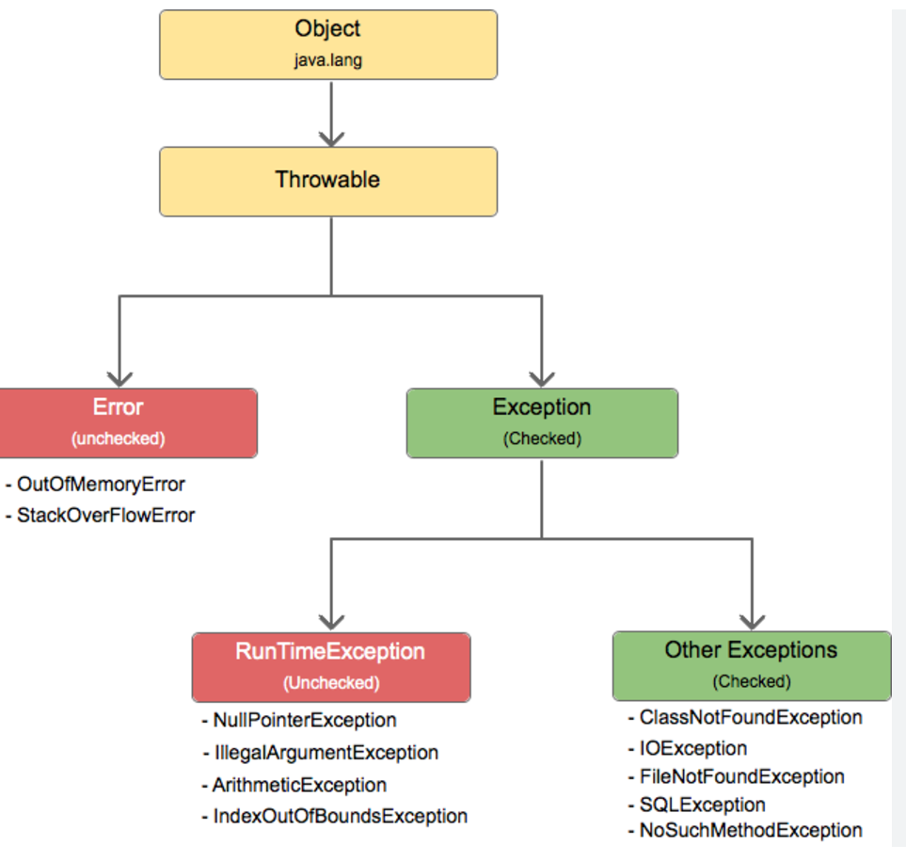

 | Throwable | Class
 | Exception | Class

 | Checked exception must be handled by developer as Java ask you to handle it as has defined check in JVM for certain conditions.
 | All Exceptions extends Throwable Class which is a SuperClass
 | Try and Catch we use when we know the expected error logic and handle it whereas Thows passes the exception (ducks) it for other class who implements that method or piece of code (calls it)
 | Throw keyword in exception is used when dev wants to throw any excpetion explicitly in any condition. Such as perform and get the result of a division and check using if condition if result is equal to 0 then use throw. Syntax example: if(result ==0) { throw new ArithmaticException("Msg") catch(ArithmaticException e) { print msg }
 | All exceptions occurs runtime only
 | Throws and Throw -

Collection FrameworkDiagram
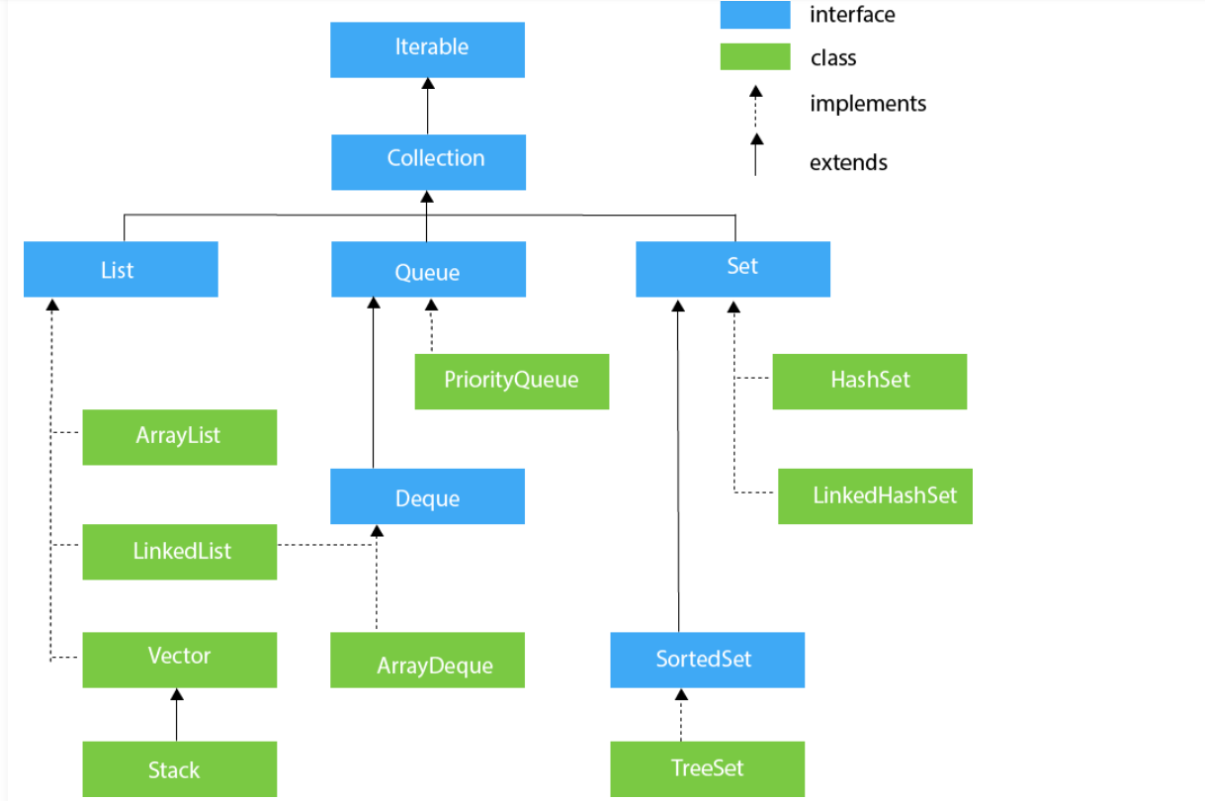

List
SR NO# | Array List | Method List | Linked List | Method List | Vector | Method List | Stack (Extends Vector Class)
1 | Dynamic resize - When ArrayList gets full and user still wants to add value, ArrayList gets resized automatically double of its size. | add() | Doesn't support accessing element randomly. Can access element using iterator (only way). | add() | Dynamic resize - When ArrayList gets full and user still wants to add value, ArrayList gets resized automatically double of its size. |  | It’s a sub class of Vector
2 | Non-Syncronized - Non-Synchronized means that two or more threads can access the methods of that particular class at any given time. | remove() | Non-Syncronized - Non-Synchronized means that two or more threads can access the methods of that particular class at any given time. | remove() removeFirst() removeLast() | Syncronized - Synchronized means that only one thread can access the methods of that particular class at any given time. |  | Last in First Out
3 | Manipulation with ArrayList is slow because it internally uses an array. If any element is removed from the array, all the other elements are shifted in memory. | Iterator() | Manipulation with LinkedList is faster than ArrayList because it uses a doubly linked list, so no bit shifting is required in memor | Iterator() addFirst() addLast() get(index) | Its Thread safe |  | Remove element from rear end.
4 | An ArrayList class can act as a list only because it implements List only. | replace() | LinkedList class can act as a list and queue both because it implements List and Deque interfaces. | replace() | It’s a Legacy Class.
5 | ArrayList is better for storing and accessing data. | clear() | LinkedList is better for manipulating data. | clear()
6 | The memory location for the elements of an ArrayList is contiguous (next to each other). | size() | The memory location for the elements of an LinkedList is not contiguous. | size()

SET
SR NO# | HashSet | Method List | Linked HashSet | Method List |  | Method List
1 | Implements HashTable | add() | Element order is unpredictable
2 | Store only unique elements | remove() | Contains unique elements only like HashSet
3 | Only 1 null element can be added | Iterator() contains() clone() | It extends the HashSet class and implements the Set interface.
 | No sorted | replace()
 |  | clear()
 |  | size()
Map
SR NO# | HashMap | Method List | HashTable | Method List |  | Method List
1 | HashMap is non synchronized. |  | Hashtable is synchronized.
2 | It is not-thread safe and can't be shared between many threads without proper synchronization code. |  | It is thread-safe and can be shared with many threads.
3 | HashMap allows one null key and multiple null values. |  | Hashtable doesn't allow any null key or value.
4 | HashMap is a new class introduced in JDK 1.2. |  | Hashtable is a legacy class.
5 | HashMap is fast. |  | Hashtable is slow.
6 | HashMap is traversed by Iterator. |  | Hashtable is traversed by Enumerator and Iterator.

